ADAM FULL
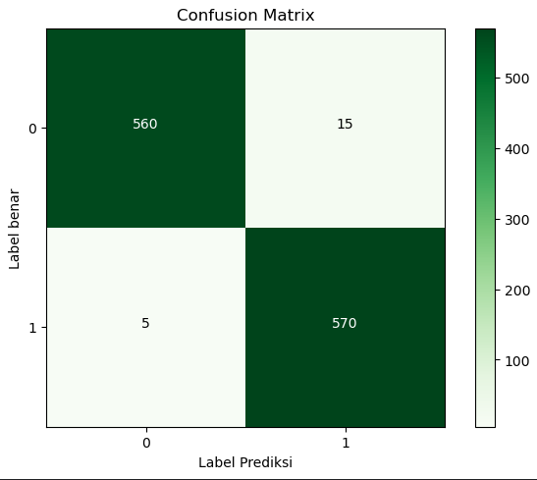
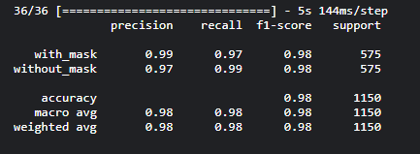
 |  | 5407.21 seconds.
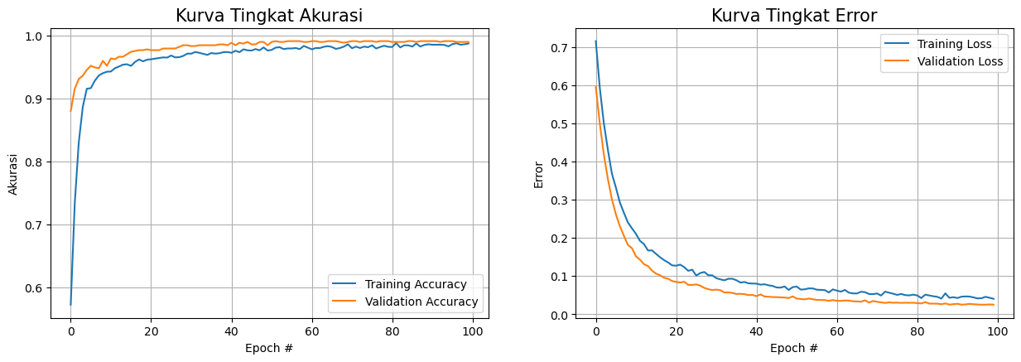
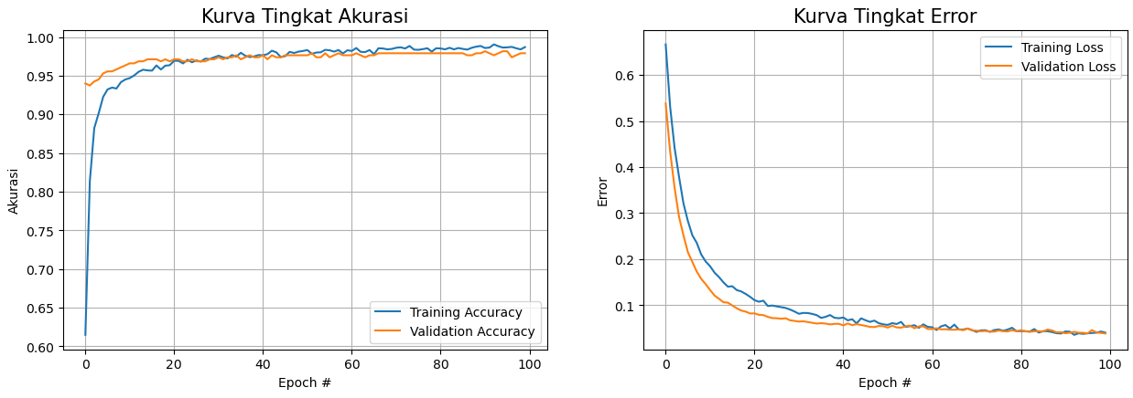

 | FULL DATASET |  | FULL DATASET
 | 80/20 |  | 90/10

 | imagenet |  | imagenet

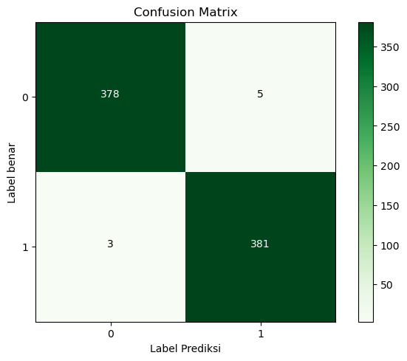
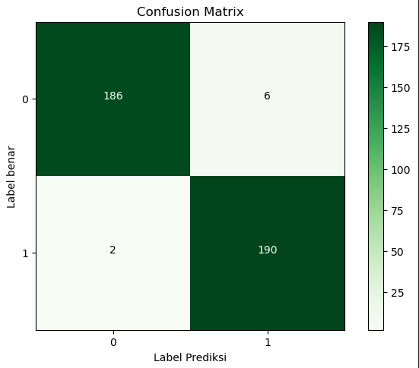

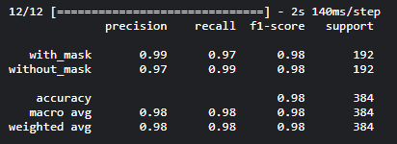

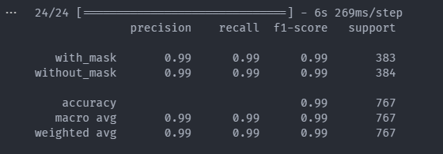

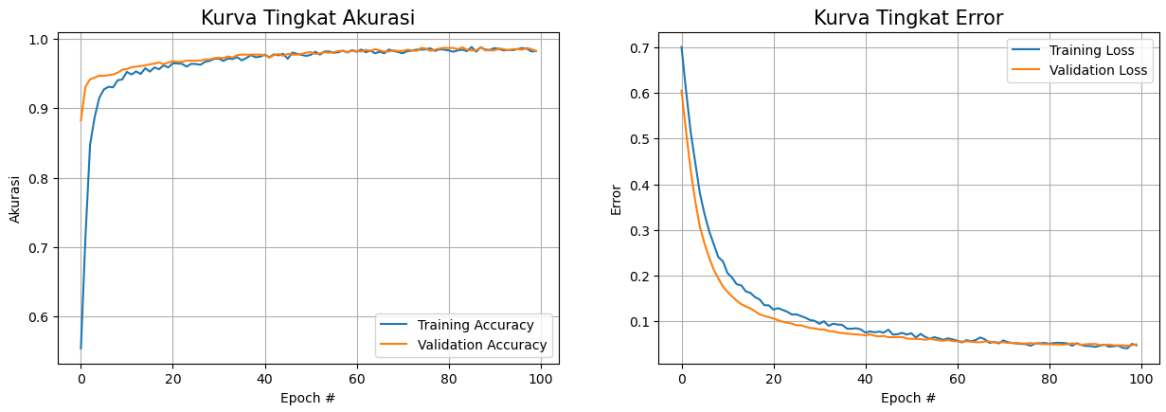
5279.75 seconds

 | FULL DATASET
 | 70/30

 | imagenet

SGD FULL
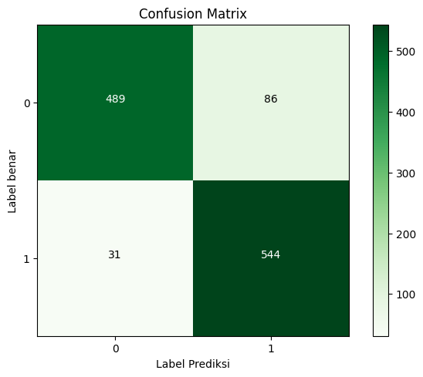
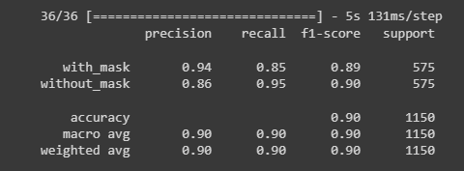
6206.79 seconds. |  | 5608.05 seconds.
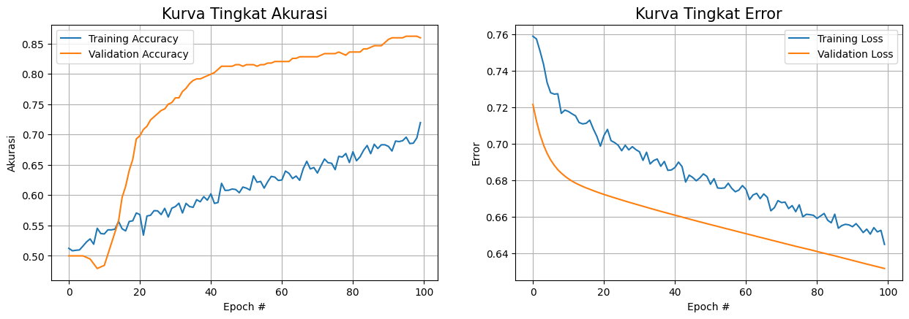
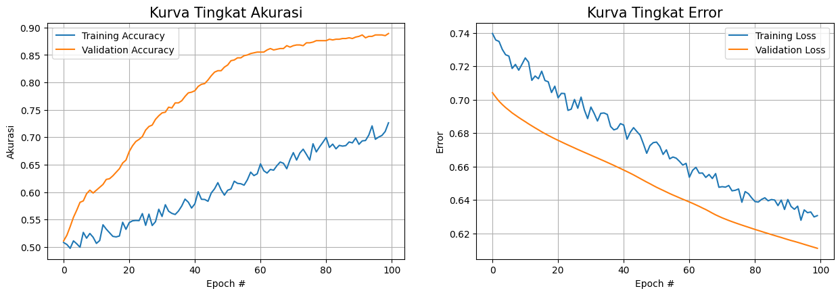
 | FULL DATASET |  | FULL DATASET
 | 90/10 |  | 80/20

 | imagenet |  | imagenet

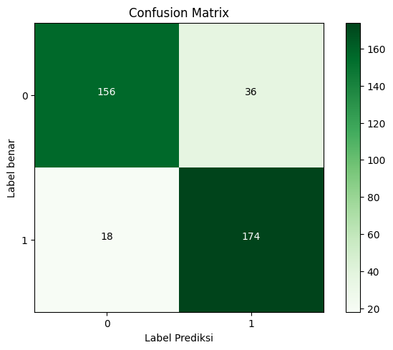
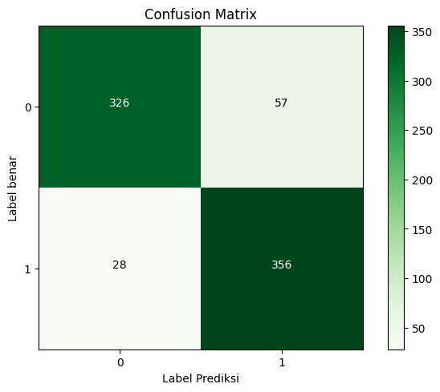

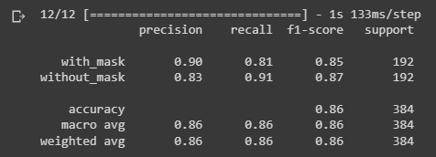
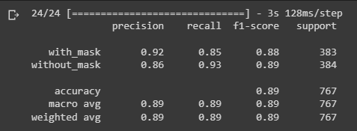

5364.13 seconds.
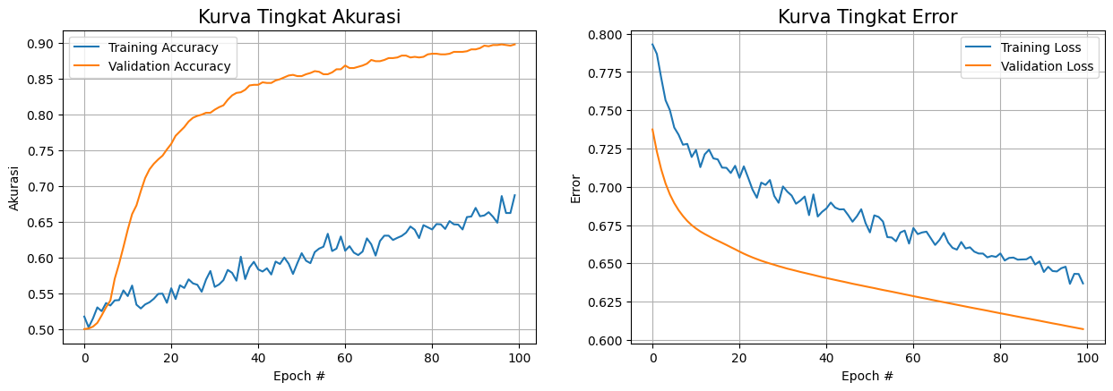

 | FULL DATASET
 | 70/30

 | imagenet

RMSProp FULL
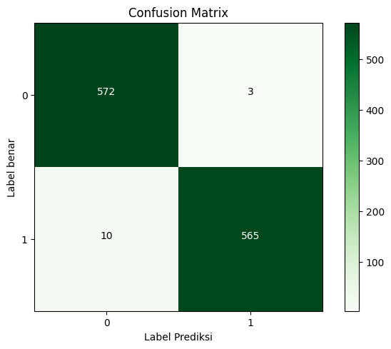
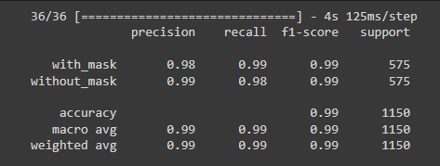
5745.92 seconds. |  |  | 5466.48 seconds
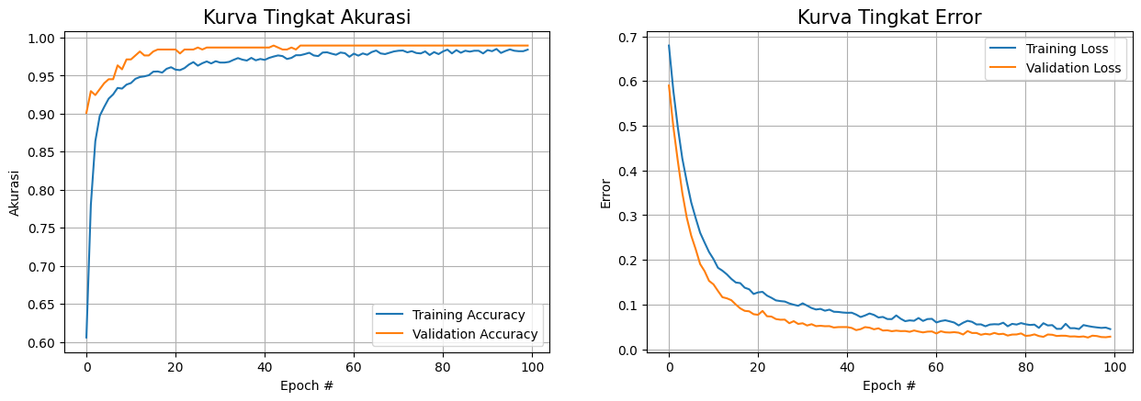
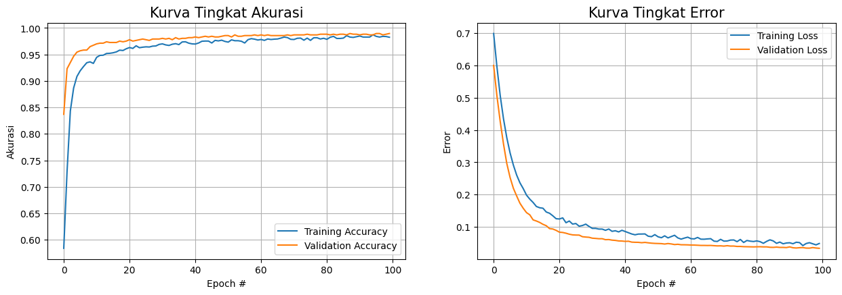
 |  | FULL DATASET |  | FULL DATASET
 |  | 90/10 |  | 80/20

 |  | imagenet |  | imagenet

 | progress

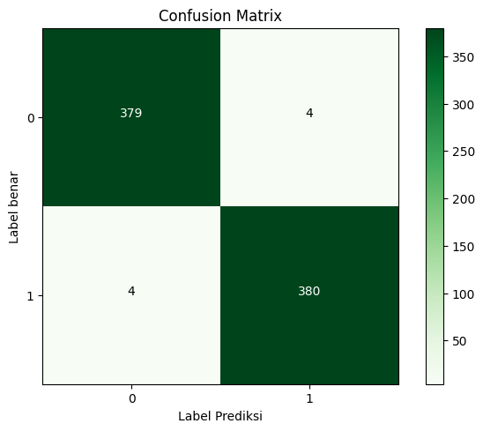

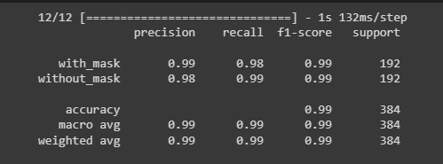
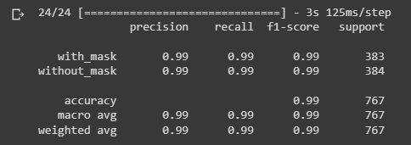



 |  | FULL DATASET
 |  | 70/30

 |  | imagenet

Bukti Error
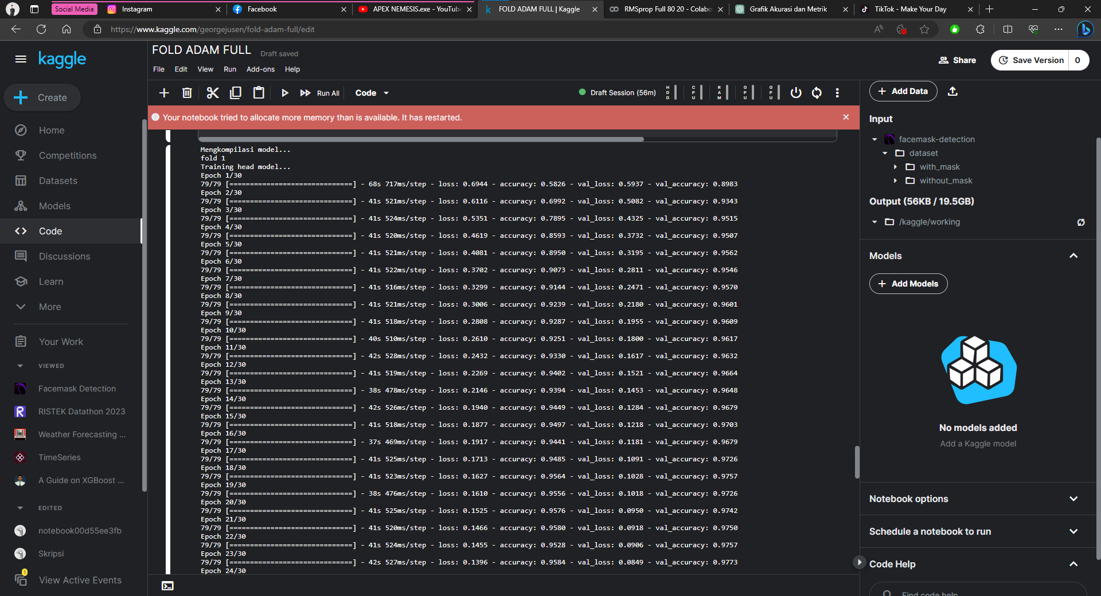

K-Fold Half
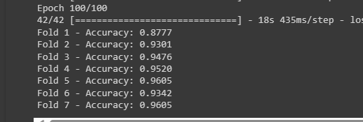
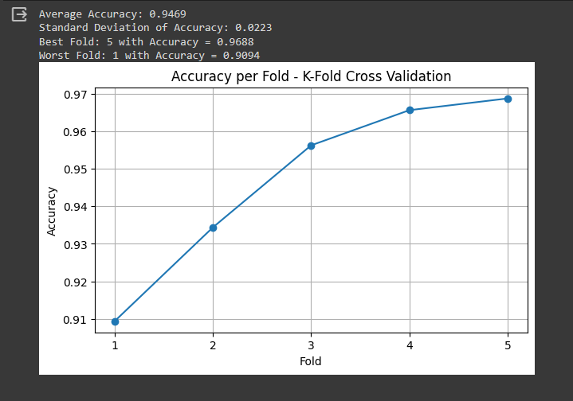
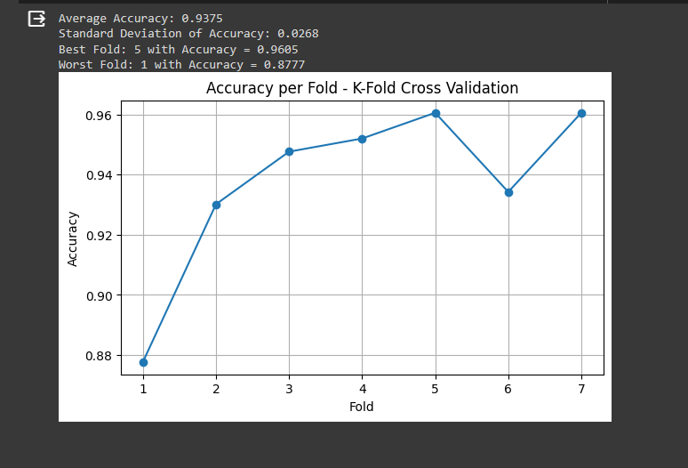
 |  |  |  |  |  |  |  |  | Half Dataset

No | Optimizer | K-Fold
 |  | 3 | 5 | 7
1 | Adam | 0.9925 | 0.9956 | 0.9975
2 | SGD | 0.9344 | 0.9469 | 0.9375
3 | RMSProp | 0.9906 | 0.9910 | 0.9950

 | Adam 3 Fold |  |  |  | SGD | 3 fold | 53m 33s |  |  | Adam 5 Fold |  | 1h 6m 57s |  |  | Adam 7 Fold | 1h 30m 31s
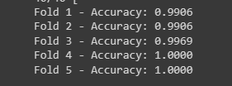
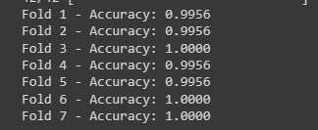

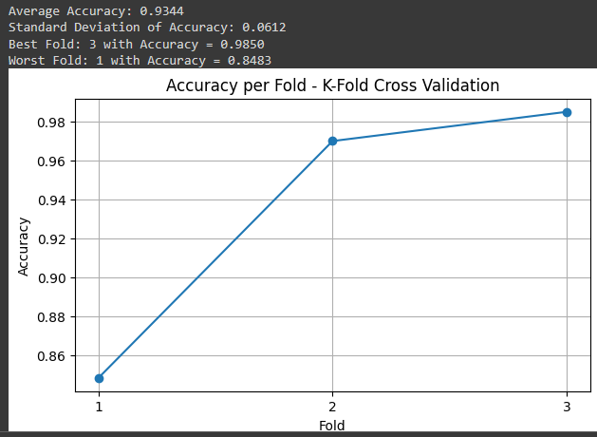
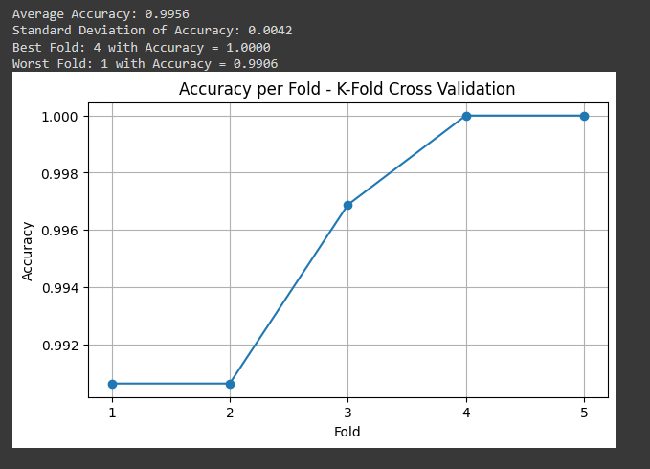

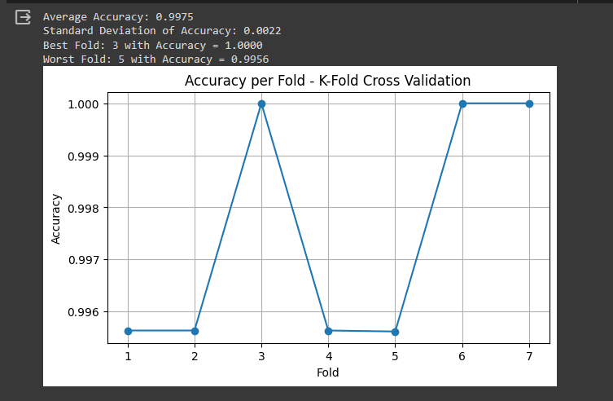

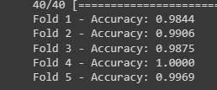
 |  |  |  |  | RMSProp 3 Fold |  |  | 5599.056s |  |  |  | RMSprop fold 5 |  | 9620.839s
 |  |  |  |  |  |  |  |  |  |  |  |  |  |  |  | RMSprop fold 7 | 1106.028s

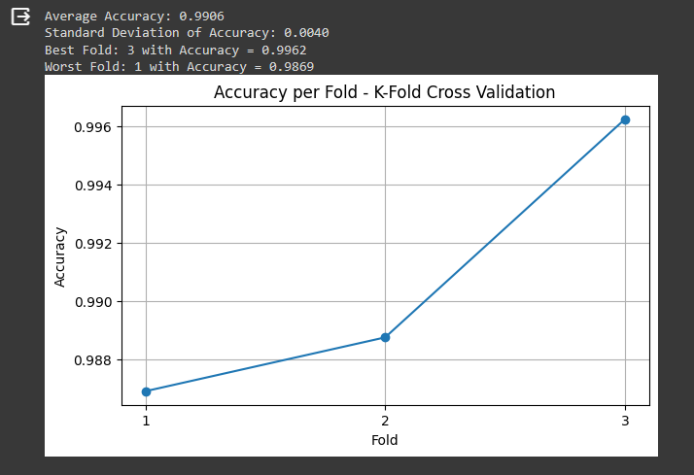
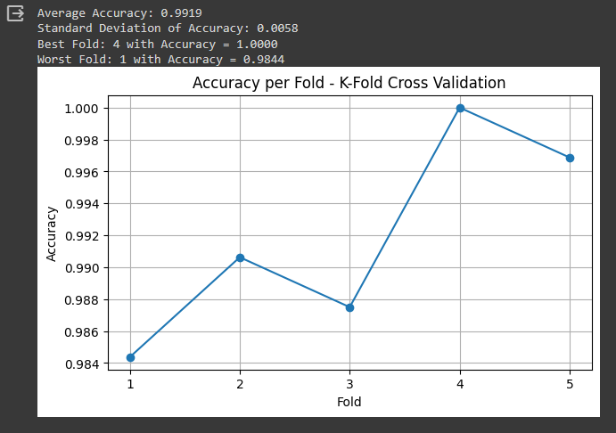

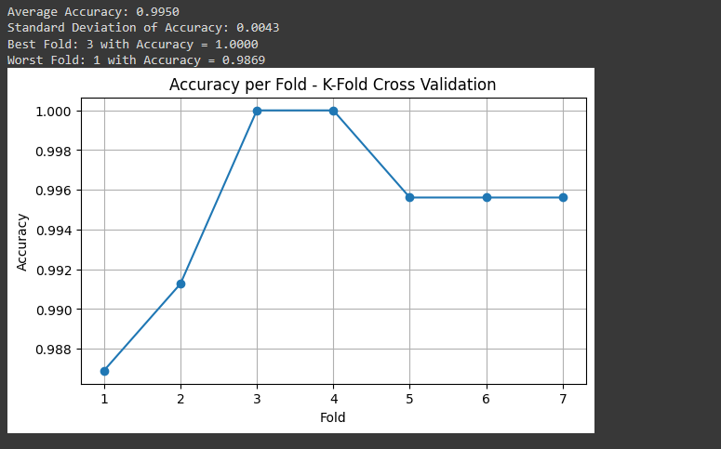

 |  |  |  | SGD fold 5 | 10052.709s |  |  |  |  |  | SGD fold 7 |  | 13745.62s

K-Fold Full
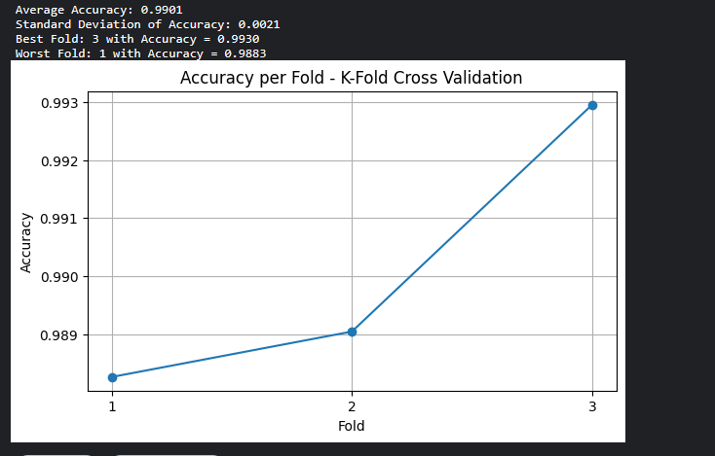
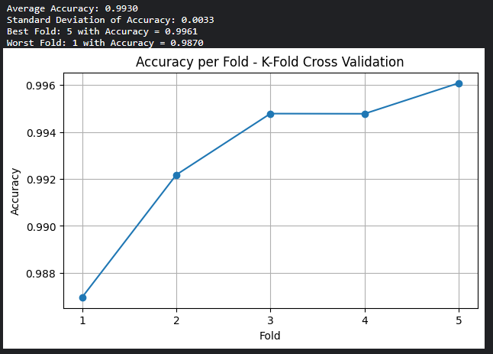
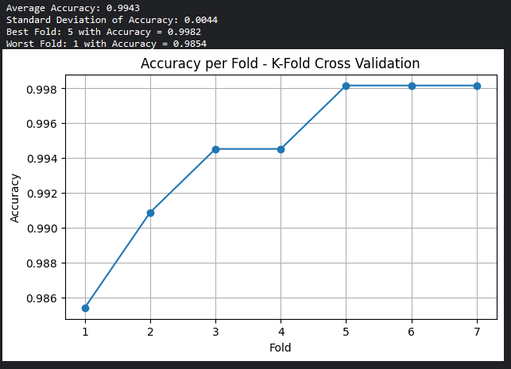
No | Optimizer | K-Fold
 |  | 3 | 5 | 7
1 | Adam | 0.9911 | 0.9945 | 0.9943
2 | SGD | 0.9061 | 0.8933 | 0.9095
3 | RMSProp | 0.9901 | 0.9930 | 0.9943

 | Adam Fold 3 |  |  |  | 9681.002s | Adam Fold 5 |  |  |  |  | adam fold 7 |  | 0.9943 | 26269.021s
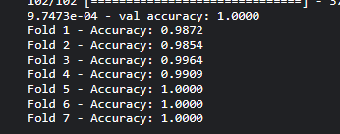

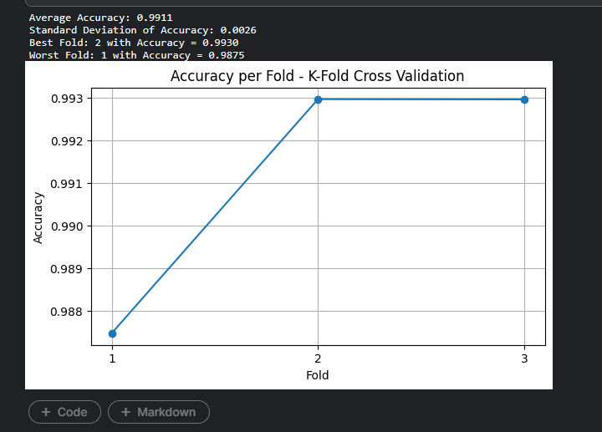
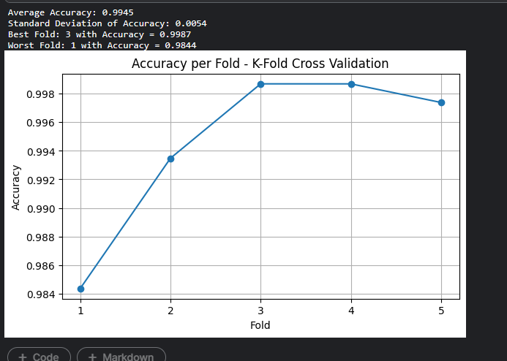

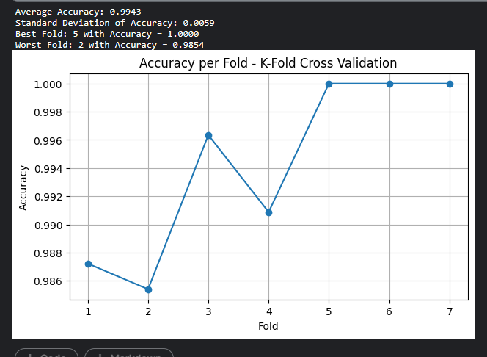

 | SGD FOLD 3 |  |  |  |  |  | SGD FOLD 5 |  | 18698.93s
 |  |  |  |  |  |  |  |  |  |  |  |  | SGD FOLD 7 |  | 25275.951s
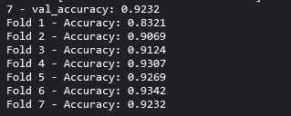

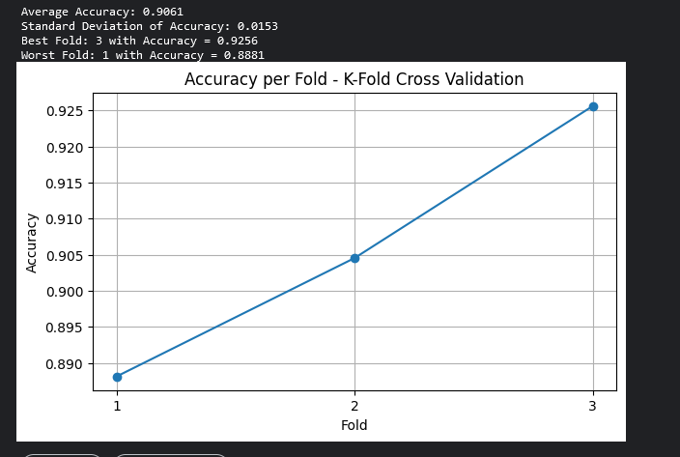
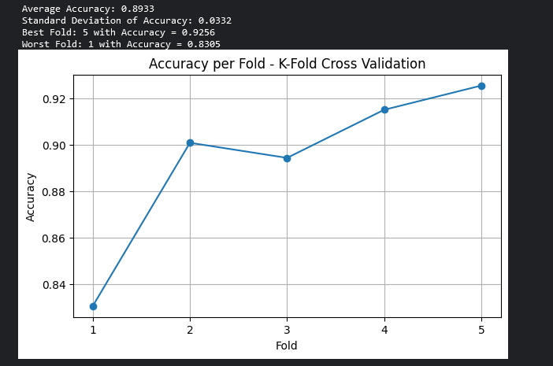

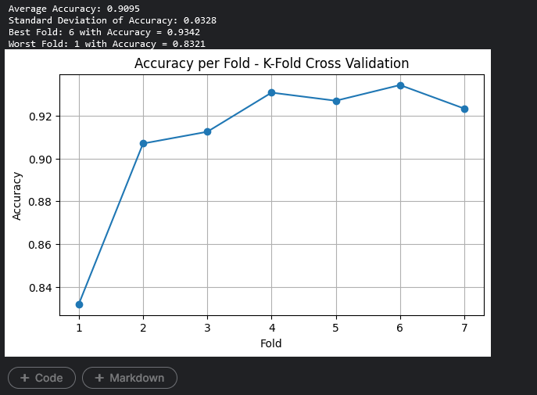

 | RMSprop 3 |  | 9919.312s
 |  |  |  |  |  |  |  | RMSprop 5 |  | 17632.88s |  | RMSprop 7 |  |  |  | 25268.964s

ADAM SMALL
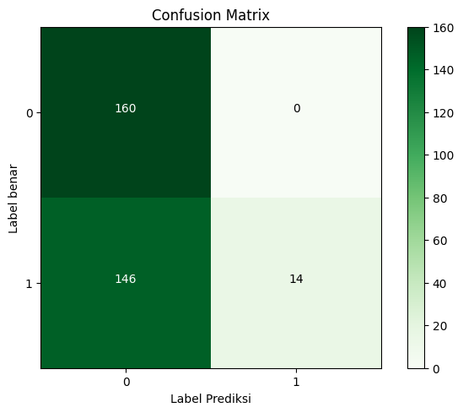



 |  |  |  |  | 1817.28 seconds
 |  | 1912.18 seconds.

 |  |  |  | HALF DATASET |  | HALF DATASET
 |  |  |  | 90/10 |  | 80/20

 |  |  |  | imagenet |  | imagenet







 | 1850.68 seconds.


 |  |  |  | HALF DATASET
 |  |  |  | 70/30

 |  |  |  | imagenet





TANPA DATA AUGMENTASI ADAM 80/20

 |  |  | 806.36 seconds.

RMSProp SMALL


2150.28 seconds.
 |  | 1842.88 seconds.


 | HALF DATASET |  | HALF DATASET
 | 90/10 |  | 80/20

 | imagenet |  | imagenet





1755.35 seconds.

 | HALF DATASET
 | 70/30

 | imagenet

SGD SMALL


2007.77 seconds. |  |  | 1851.25 seconds



 |  | HALF DATASET |  | HALF DATASET
 |  | 90/10 |  | 80/20

 |  | imagenet |  | imagenet







 | 1741.12 seconds.

 |  | HALF DATASET
 |  | 70/30

 |  | imagenet

